IP
IP Strategy

 | Relevant Patents:
 | Patent Number | Title | Inventors/Assignees | Notes
 | US3848249A | Apparatus actuating and nurse call system | S Meiri/ Northwestern University | Uses breath-operated switch for patients with limited mobility in the hospital
 | US5561412A | Patient/Nurse Call system | Joseph H. Novak/ Hill-Rom, Inc. | A patient/nurse call system for a hospital includes patient stations capable of generating hospital calls and a remote master station which prioritizes and stores the calls.
 | US8296383B2 | Voice Activated "Nurse" Call Bell | George Dib & Rachel Starr/ University of Rhode Island | Voice activated call-bell helping patients with limited mobility
 | US4484367A | Nurse call apparatus | Betty Jenkins/ Jenkins Betty | Nurse call bell holder
 | US5838223A | Patient/nurse call system | Ulrich/ Hill-Rom, Inc. | Wireless call bell system

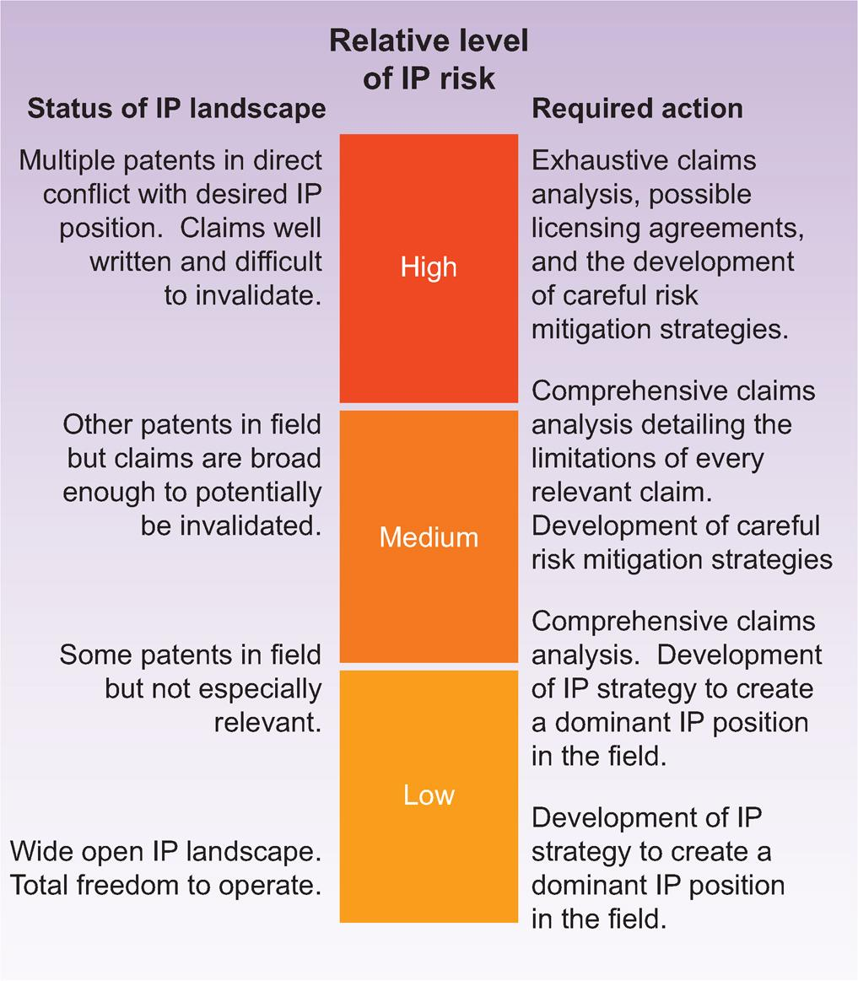

 | IP Risk: | Medium

FMEA
FMEA

 | Potential Failure Mode | Cause(s) | Effect(s) | Probability of Occurance (Frequent-Improbable) | Severity (Catastrophic-Negligible) | Risk Index | Acceptable? | Mitigation Plan
1 | e.g. Dislodgement of electrode from chest | Poor surface preparation, excessive sweat, hair, cord pulled, patient movement | Poor to no electrical signal, patient no longer monitored | Frequent | Significant | 3 | No | Select stronger, water-resistant adhesive for electrode design
2 | Call-bell does not alert nurse's station | Inneffective wireless or hardwire communication | Nurse is not notified when patient is in need | Occasional | Significant | 6 | No | Ensure that call-bell has few connections to plug in/is always charged
3 | Call-bell sends false alert to nurse's station | Sensor/voice-activation/button is too sensitive | Nurse gets notified too frequently, potential boy cried wolf situation | Probable | Marginal | 9 | No | Develop check system within call bell (patient has to hover hand over sensor/ tap button twice, voice activation can ask "do you want to call ________?")
4 | Call-bell cannot be reached/used by patient | Out of reach, requires high degree of finger-dexterity or cognitive ability | patient cannot communicate need to nurse | Probable | Significant | 5 | No | Voice activation/sensor based call bell- attached to bed side so it is easily accessible
5
6
7
8
9
10
11



http://www.fda-consultant.com/risk1.pdf

